Project schedule
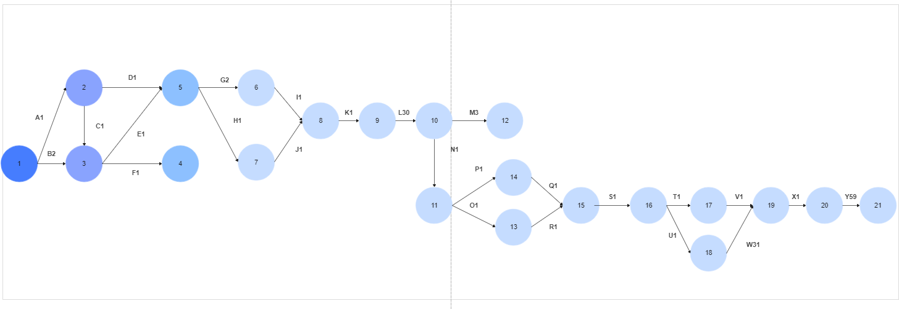
Project KOPI910 |  |  |  |  | Project start: |  |  |  |  |  |  |  | 10/9/2023
M. Jordy R | Project lead |  |  |  | Display week: |  |  |  |  |  |  |  | 1

 |  |  |  |  | 2023-10-09 |  |  |  |  |  |  | 2023-10-16 |  |  |  |  |  |  | 2023-10-23 |  |  |  |  |  |  | 2023-10-30 |  |  |  |  |  |  | 2023-11-06 |  |  |  |  |  |  | 2023-11-13 |  |  |  |  |  |  | 2023-11-20 |  |  |  |  |  |  | 2023-11-27 |  |  |  |  |  |  | 2023-12-04 |  |  |  |  |  |  | 2023-12-11 |  |  |  |  |  |  | 2023-12-18 |  |  |  |  |  |  | 2023-12-25 |  |  |  |  |  |  | 2024-01-01 |  |  |  |  |  |  | 2024-01-08 |  |  |  |  |  |  | 2024-01-15 |  |  |  |  |  |  | 2024-01-22
TASK | ASSIGNED TO | PROGRESS | START | END | 2023-10-09 | 2023-10-10 | 2023-10-11 | 2023-10-12 | 2023-10-13 | 2023-10-14 | 2023-10-15 | 2023-10-16 | 2023-10-17 | 2023-10-18 | 2023-10-19 | 2023-10-20 | 2023-10-21 | 2023-10-22 | 2023-10-23 | 2023-10-24 | 2023-10-25 | 2023-10-26 | 2023-10-27 | 2023-10-28 | 2023-10-29 | 2023-10-30 | 2023-10-31 | 2023-11-01 | 2023-11-02 | 2023-11-03 | 2023-11-04 | 2023-11-05 | 2023-11-06 | 2023-11-07 | 2023-11-08 | 2023-11-09 | 2023-11-10 | 2023-11-11 | 2023-11-12 | 2023-11-13 | 2023-11-14 | 2023-11-15 | 2023-11-16 | 2023-11-17 | 2023-11-18 | 2023-11-19 | 2023-11-20 | 2023-11-21 | 2023-11-22 | 2023-11-23 | 2023-11-24 | 2023-11-25 | 2023-11-26 | 2023-11-27 | 2023-11-28 | 2023-11-29 | 2023-11-30 | 2023-12-01 | 2023-12-02 | 2023-12-03 | 2023-12-04 | 2023-12-05 | 2023-12-06 | 2023-12-07 | 2023-12-08 | 2023-12-09 | 2023-12-10 | 2023-12-11 | 2023-12-12 | 2023-12-13 | 2023-12-14 | 2023-12-15 | 2023-12-16 | 2023-12-17 | 2023-12-18 | 2023-12-19 | 2023-12-20 | 2023-12-21 | 2023-12-22 | 2023-12-23 | 2023-12-24 | 2023-12-25 | 2023-12-26 | 2023-12-27 | 2023-12-28 | 2023-12-29 | 2023-12-30 | 2023-12-31 | 2024-01-01 | 2024-01-02 | 2024-01-03 | 2024-01-04 | 2024-01-05 | 2024-01-06 | 2024-01-07 | 2024-01-08 | 2024-01-09 | 2024-01-10 | 2024-01-11 | 2024-01-12 | 2024-01-13 | 2024-01-14 | 2024-01-15 | 2024-01-16 | 2024-01-17 | 2024-01-18 | 2024-01-19 | 2024-01-20 | 2024-01-21 | 2024-01-22 | 2024-01-23 | 2024-01-24 | 2024-01-25 | 2024-01-26 | 2024-01-27 | 2024-01-28
 |  |  |  |  | M | T | W | T | F | S | S | M | T | W | T | F | S | S | M | T | W | T | F | S | S | M | T | W | T | F | S | S | M | T | W | T | F | S | S | M | T | W | T | F | S | S | M | T | W | T | F | S | S | M | T | W | T | F | S | S | M | T | W | T | F | S | S | M | T | W | T | F | S | S | M | T | W | T | F | S | S | M | T | W | T | F | S | S | M | T | W | T | F | S | S | M | T | W | T | F | S | S | M | T | W | T | F | S | S | M | T | W | T | F | S | S
1. Analisis Kebutuhan Pengguna
A. Wa\wancara Pemilik Usaha |  | 0% | 10/9/23 | 10/9/23
B. Membuat statement of purpose, event list dan content diagram. |  | 0% | 10/10/23 | 10/11/23
C. Dokumentasi kegiatan analisis kebutuhan pengguna |  | 0% | 10/12/23 | 10/12/23
2. Desain Aplikasi
D. Membuat DFD |  | 0% | 10/20/23 | 10/20/23
E. Membuat ERD |  | 0% | 10/21/23 | 10/21/23
F. Membuat kamus data |  | 0% | 10/22/23 | 10/22/23
G. Membuat desain statistic keuangan, kasir, serta gudang |  | 0% | 10/23/23 | 10/24/23
H. Membuat design antarmuka admin dan karyawan |  | 0% | 10/25/23 | 10/25/23
I. Membuat design pengaturan |  | 0% | 10/26/23 | 10/26/23
J. Membuat procces spesipication |  | 0% | 10/27/23 | 10/27/23
K. Dokumentasi Design Aplikasi |  | 0% | 10/28/23 | 10/28/23
3. Programming
L. Programming (backend dan fornt end) |  | 0% | 10/31/23 | 11/29/23
M. Dokumentasi programming |  | 0% | 11/30/23 | 12/2/23
4. Testing Program
N. Melakukan test program |  | 0% | 12/6/23 | 12/6/23
O. Memberikan catatan list perbaikan |  | 0% | 12/7/23 | 12/7/23
P. Dokumentasi Testing program |  | 0% | 12/8/23 | 12/8/23
5. Instalasi Program
Q. Installasi program ke user klien |  | 0% | 12/9/23 | 12/9/23
R. Setting infrastruktur dan software pendukung |  | 0% | 12/10/23 | 12/10/23
S. Dokumentasi Instalasi Program |  | 0% | 12/11/23 | 12/11/23
6. Training User/SDM
T. Melakukan pelatihan kepada user |  | 0% | 12/12/23 | 12/12/23
U. User Manual Book |  | 0% | 12/13/23 | 12/13/23
V. Dokumentasi Training User |  | 0% | 12/14/23 | 12/14/23
7. Maintenance
W. Pemeliharaan & perbaikan sistem |  | 0% | 12/15/23 | 1/14/24
X. Dokumentasi Maintenence |  | 0% | 1/15/24 | 1/15/24
8. Administrasi
Y. Melakukan administrasi proyek & mendokumentasinya |  | 0% | 10/9/23 | 12/7/23

 |  |  |  | Diagram Pert

